Sheet1
Biaggio Flooring LLC |  |  |  | Estimate
1817 S. Kirkman rd |  |  |  | DATE: | 2011-08-30
Orlando FL 32811 |  |  | Estimate #: |  | 266
Phone: 321 442 5003 |  |  | Representative: |  | Fabio Silva
 |  |  |  | Terms:
 |  |  | Project ID: |  | 266

Customer Information
Name: | Maria Mezallina |  | Phone: | 4073225551
Address: | 1104 Sandstone run
City, St. Zip: | Sanford Fl 32771 |  | Email: | mezalunamaria@cfl.rr.com

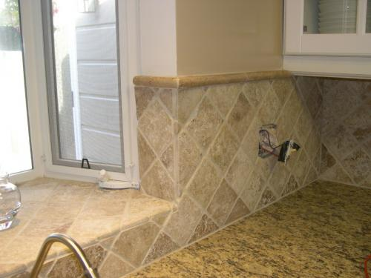
Description |  |  |  |  | Amount
Back Splash
4 In. x 4 In. Tumbled Noche Travertine Floor & Wall Tile 56 sq. ft. |  |  |  |  | 288.86
Sealer 1 |  |  |  |  | $50.00
Mastic 1 |  |  |  |  | $41
Grout 1 |  |  |  |  | 10.74
Pencil line 10 |  |  |  |  | 76.52

Labor |  |  |  |  | 548.56

Grout repair (not included at estimate) |  |  |  |  | 45/ per hour

 |  | Total Estimated for Project |  |  | $1,015.68

Terms: 50% due to order/schedule. Balance due upon completion
Make all checks payable to Biaggio Flooring
If you have any questions, please call us at 407 5150204

THANK YOU FOR ASKING BIAGGIO FLOORING
God Bless you,

